Sheet1
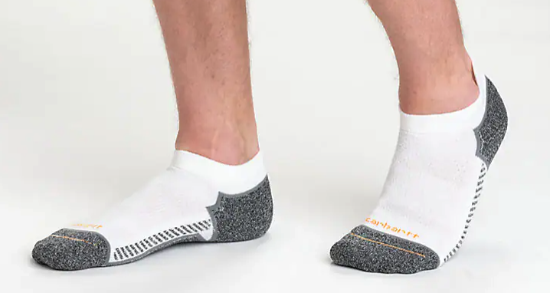
BRANDED SOCKS - CARHARTT
FOB Etobicoke,ON.

(all subject to final count at time of sale - subject to prior sale)

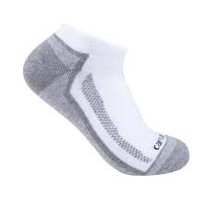
PICTURE | D E S C R I P T I O N | Style Code | Color | Quantities |  |  |  |  | TOTAL | OFFER
 |  | # |  | s | M | L | XL | XXL | PCS | PRICE
 | Carhartt Midweight Low cut | sl3283M | White |  | 3680 | 0 |  |  | 3,680
1872 | socks 3 pack
 | 89% POLYESTER 9% NYLON
 | 2% ELASTEN
 | 80 PACKS IN A BOX

 |  |  |  |  | 3680 | 0 |  |  | 3,680 | $6.10

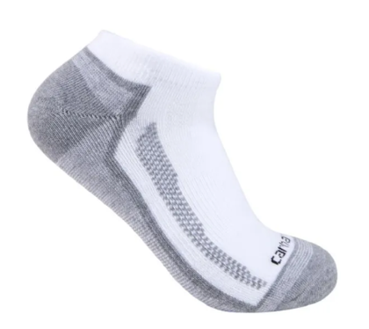
BRAND NAME 3 PACK SOCKS
CARHARTT- Low Cut Sock Style ONLY
Style: sl3283M
White
3 Pair Pack
ONLY 3,680 Total packs remaining (46 cases)
INVENTORY IS LIVE - FINAL COUNTS MAY VARY (subject to prior sale/ final count at time of sale)
Case Pack 80 packs (solid style/ colour per case - inners of 4 packs)
LOW CUT SOCKS
89% POLYESTER/ 9% NYLON/ 2% ELASTIN
3 PACK 80 PACKS PER CARTON.
RETAIL

